First file
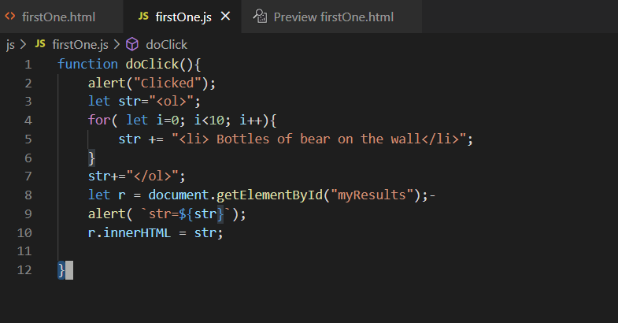
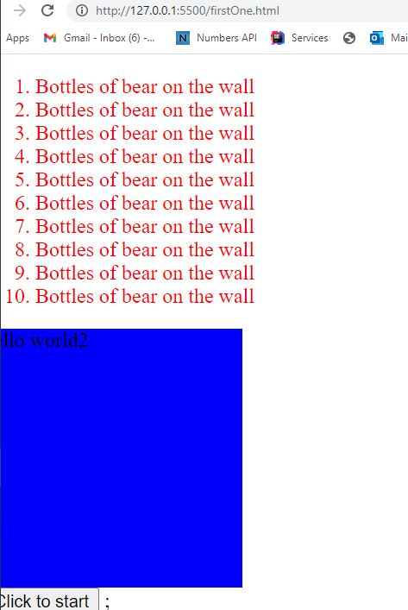
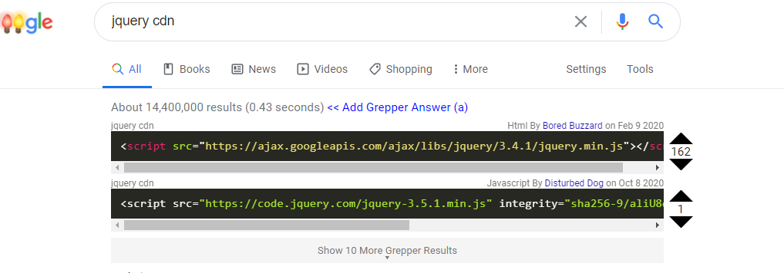
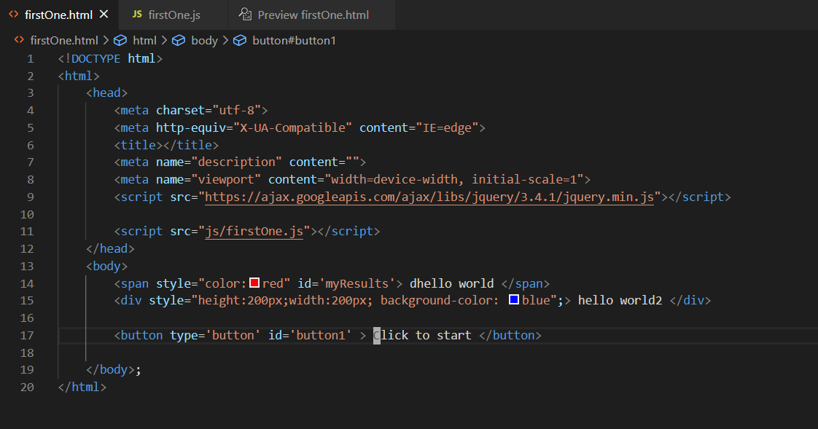
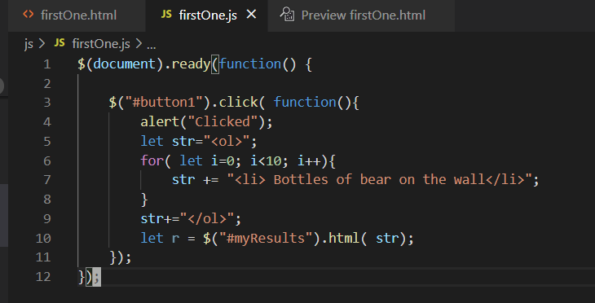
Make a folder at ...
D:\Users\dlash\github\CSC3510\IntroNodeProject
then inside VSC -> Fie -> open workspace
C:\Users\dlash\Documents\GitHub\CSC3510\MochaJSTesting

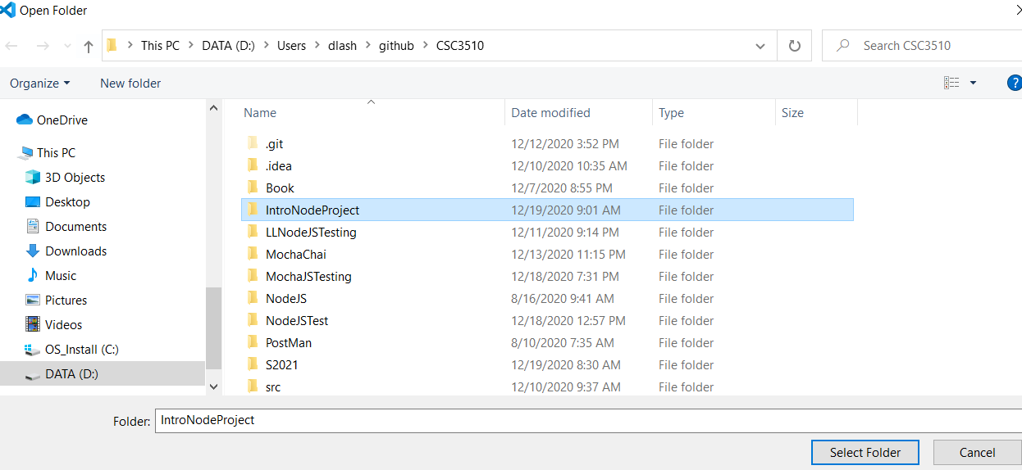

Up here ... click new folder ... create css and then create a js folder
Up here ... click new folder ... create css and then create a js folder

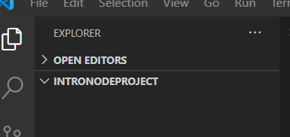

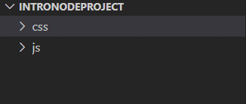

Create a new file -> File->new ... call it firstOne.html
Type in html5 -> select html5-boilerplate ... give you this ... add into it "hello world"
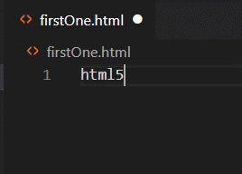
:1,$d

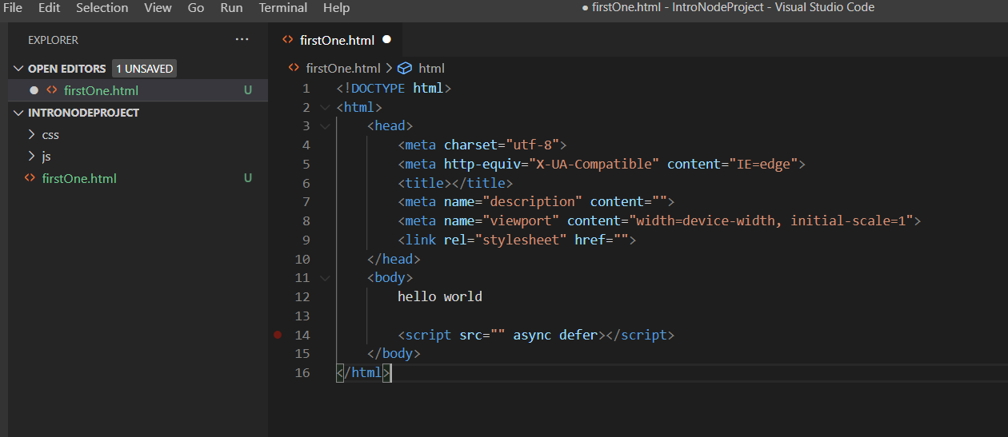

control-shift v to preview

Test it out ... add style

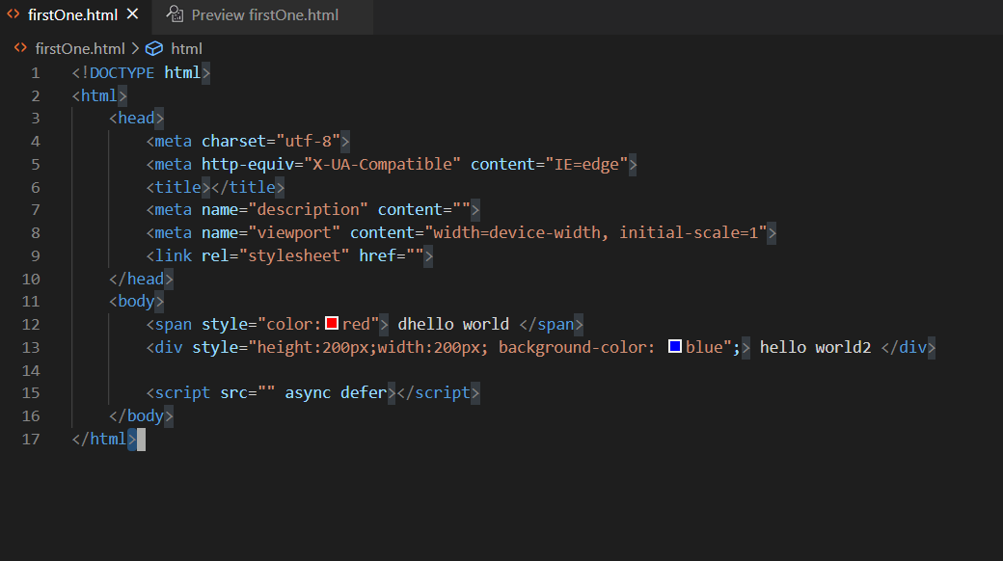

Right click -> open with Live server

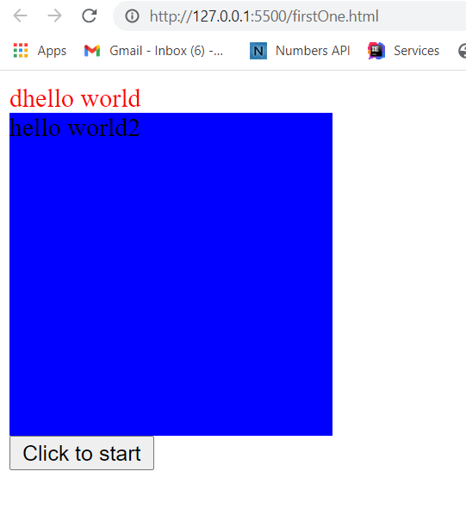

 | 0

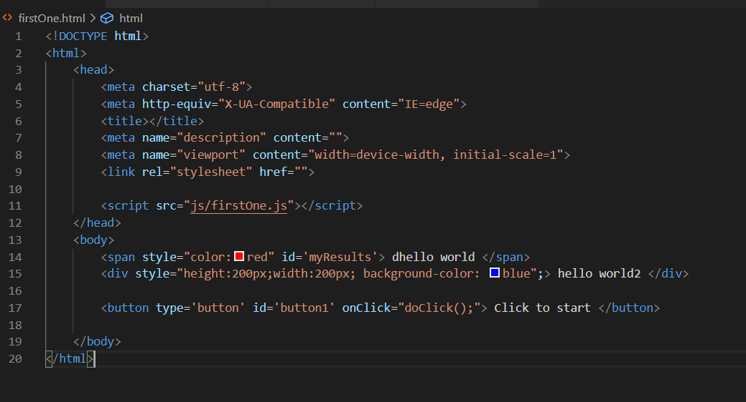
Would change these lines

Second File Coffee
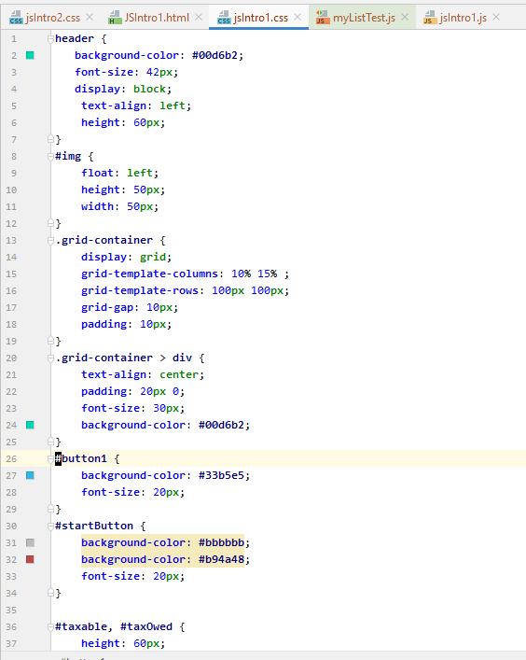
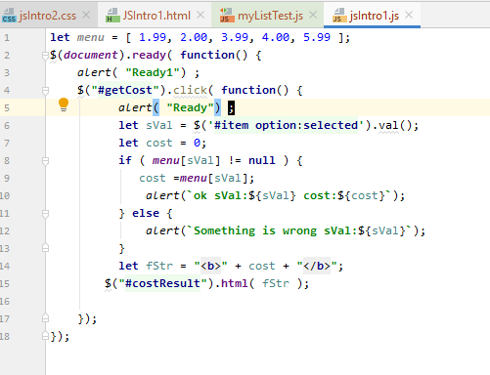
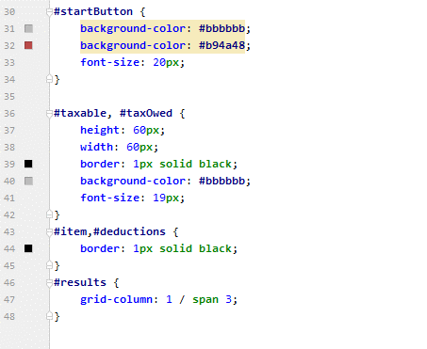
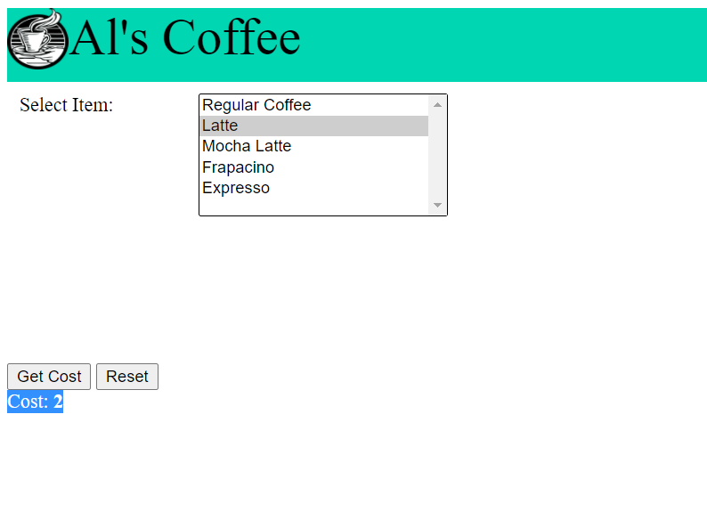

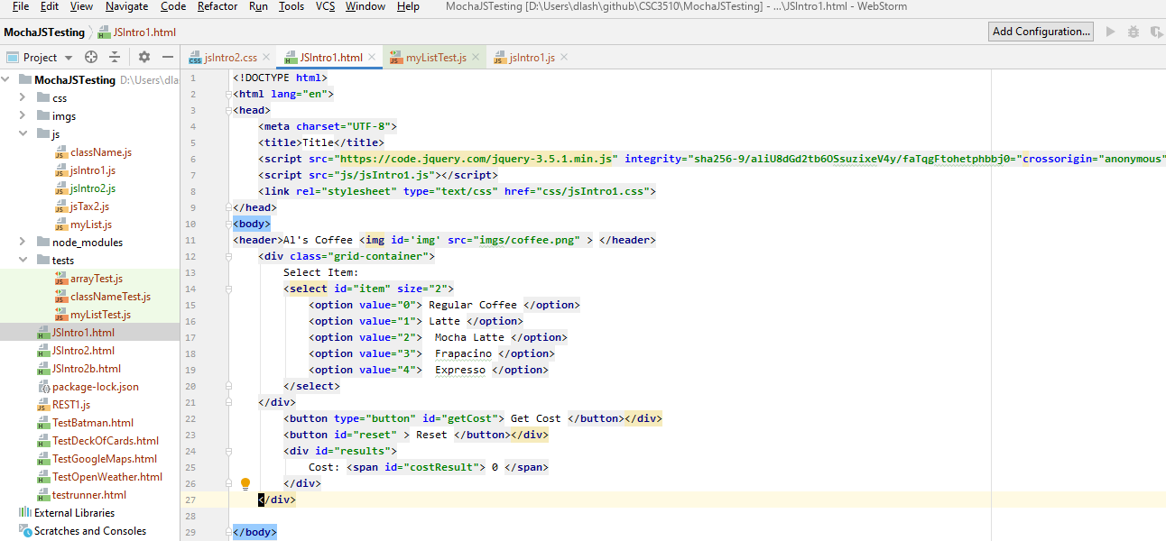

header {
background-color: #00d6b2;
font-size: 42px;
display: block;
text-align: left;
height: 60px;
}
#img {
float: left;
height: 50px;
width: 50px;
}
.grid-container {
display: grid;
grid-template-columns: 10% 15% ;
grid-template-rows: 100px 100px;
grid-gap: 10px;
padding: 10px;
}
.grid-container > div {
text-align: center;
padding: 20px 0;
font-size: 30px;
background-color: #00d6b2;
}
#button1 {
background-color: #33b5e5;
font-size: 20px;
}
#startButton {
background-color: #bbbbbb;
background-color: #b94a48;
font-size: 20px;
}
#taxable, #taxOwed {
height: 60px;
width: 60px;
border: 1px solid black;
background-color: #bbbbbb;
font-size: 19px;
}
#item,#deductions {
border: 1px solid black;
}
#results {
grid-column: 1 / span 3;
}

JS2
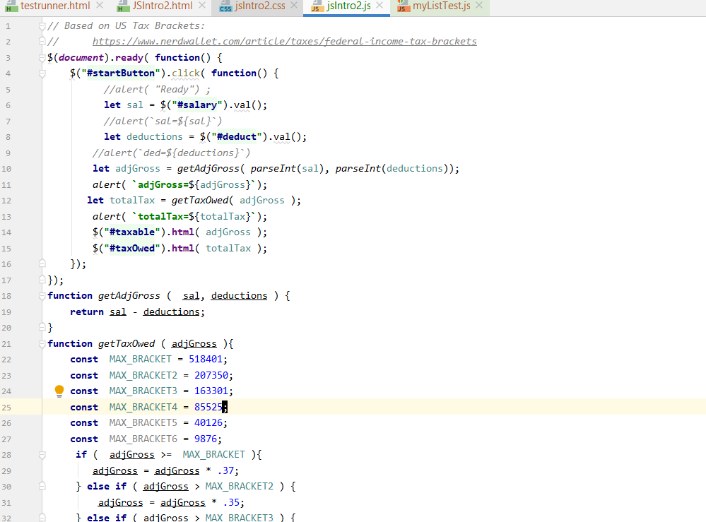
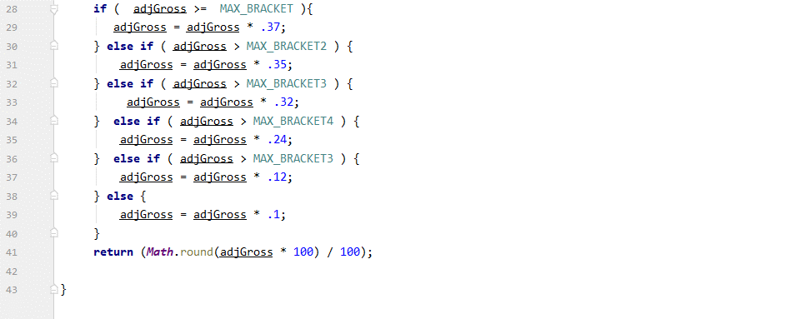
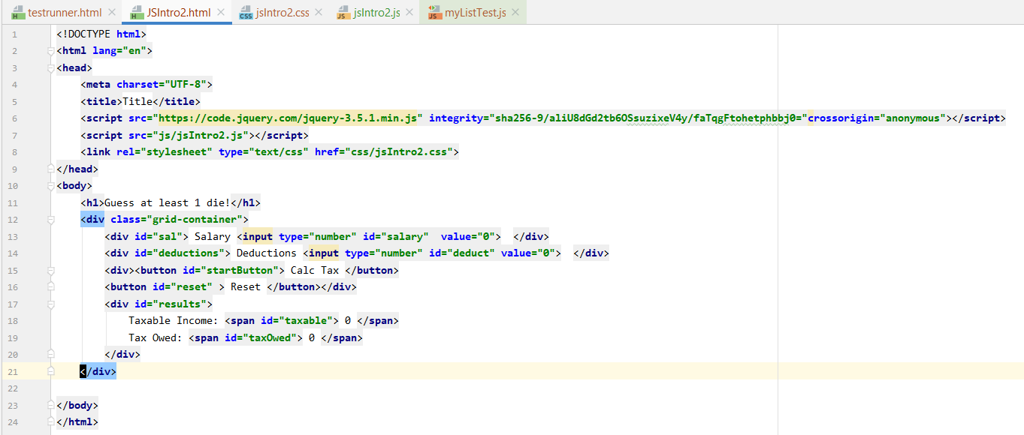
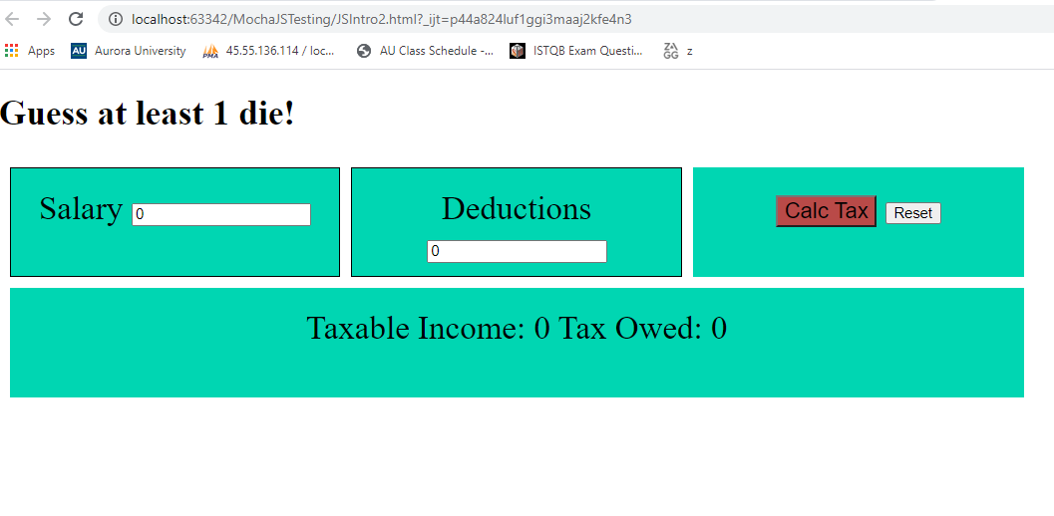

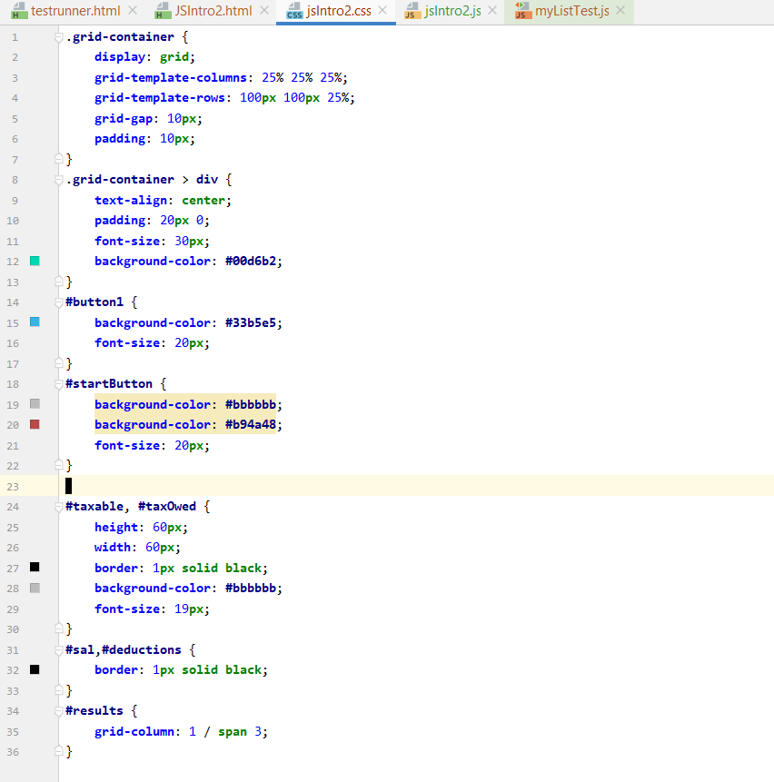

.grid-container {
display: grid;
grid-template-columns: 25% 25% 25%;
grid-template-rows: 100px 100px 25%;
grid-gap: 10px;
padding: 10px;
}
.grid-container > div {
text-align: center;
padding: 20px 0;
font-size: 30px;
background-color: #00d6b2;
}
#button1 {
background-color: #33b5e5;
font-size: 20px;
}
#startButton {
background-color: #bbbbbb;
background-color: #b94a48;
font-size: 20px;
}
#costResult{
height: 60px;
width: 60px;
border: 1px solid black;
background-color: #bbbbbb;
font-size: 19px;
}
#sal,#deductions {
border: 1px solid black;
}
#results {
grid-column: 1 / span 3;
}

Sheet1
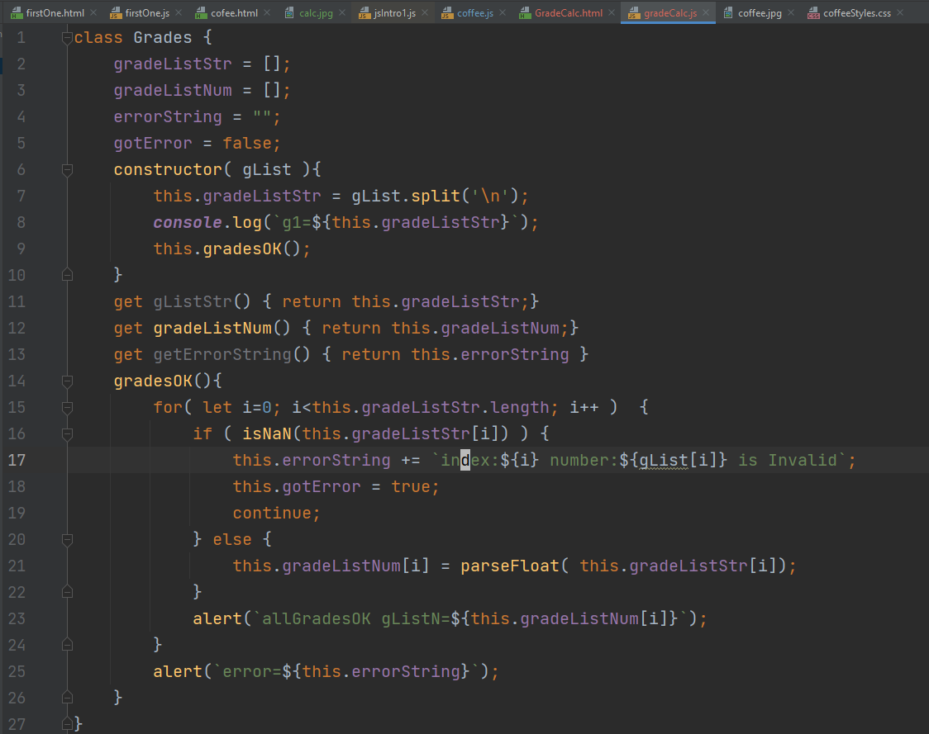
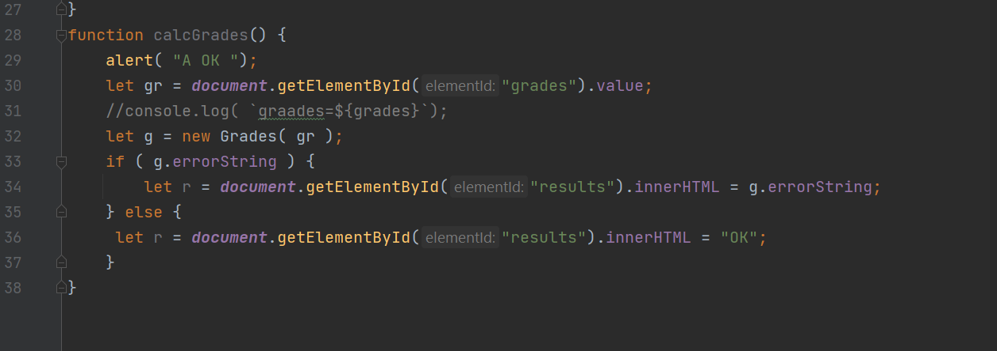
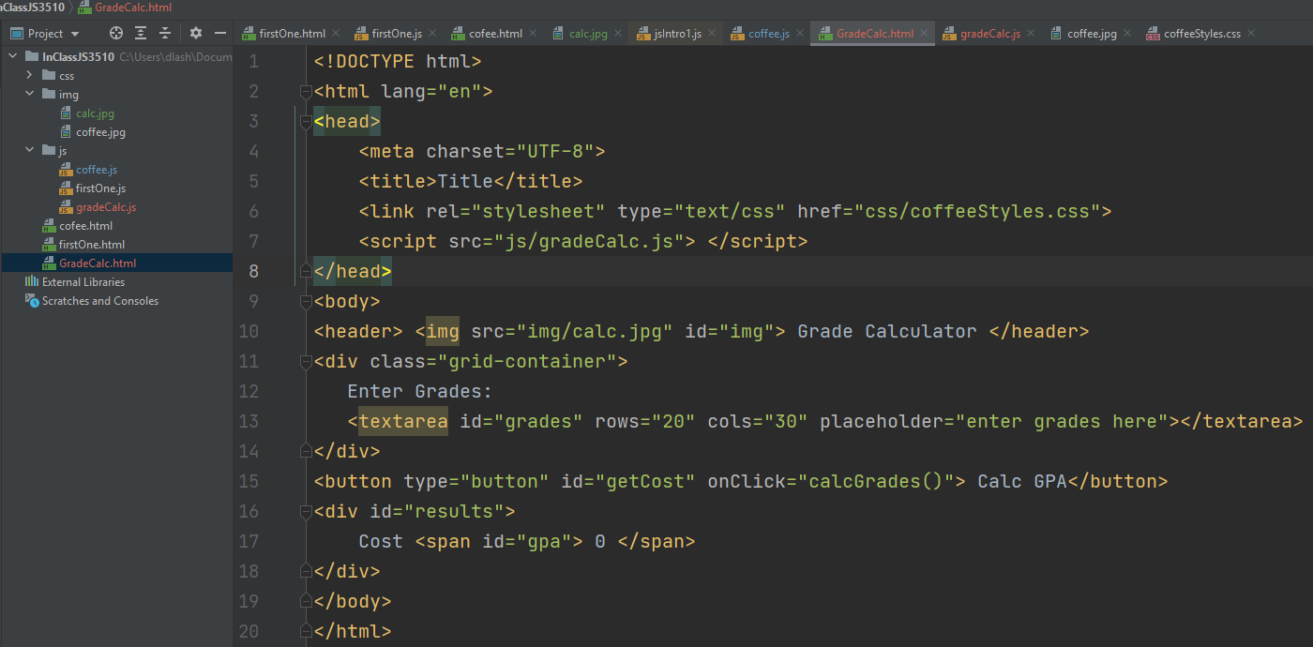
header { background-color: #00d6b2; font-size: 42px; display: block; text-align: left; height: 60px; } #img { float: left; height: 50px; width: 50px; } .grid-container { display: grid; grid-template-columns: 10% 15% ; grid-template-rows: 100px 100px; grid-gap: 10px; padding: 10px; } .grid-container > div { text-align: center; padding: 20px 0; font-size: 30px; background-color: #00d6b2; } #button1 { background-color: #33b5e5; font-size: 20px; } #startButton { background-color: #bbbbbb; background-color: #b94a48; font-size: 20px; } #taxable, #taxOwed { height: 60px; width: 60px; border: 1px solid black; background-color: #bbbbbb; font-size: 19px; } #item,#deductions { border: 1px solid black; } #results { grid-column: 1 / span 3; }

Query
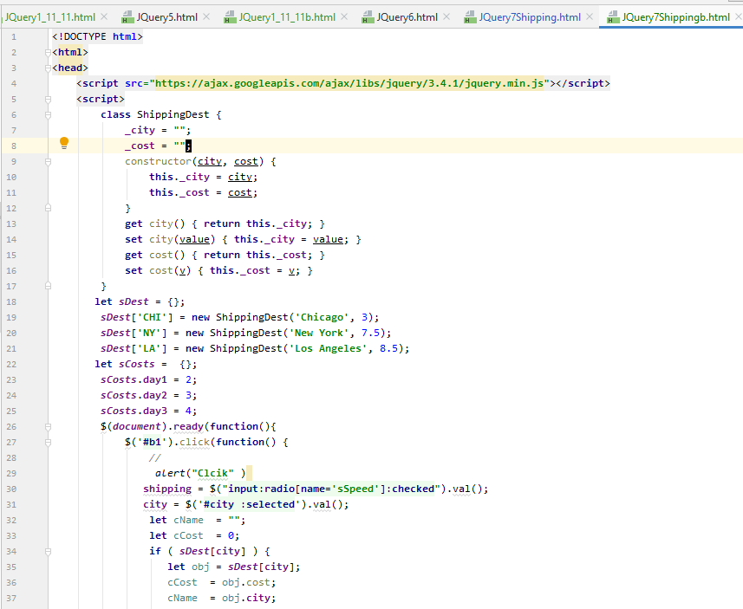

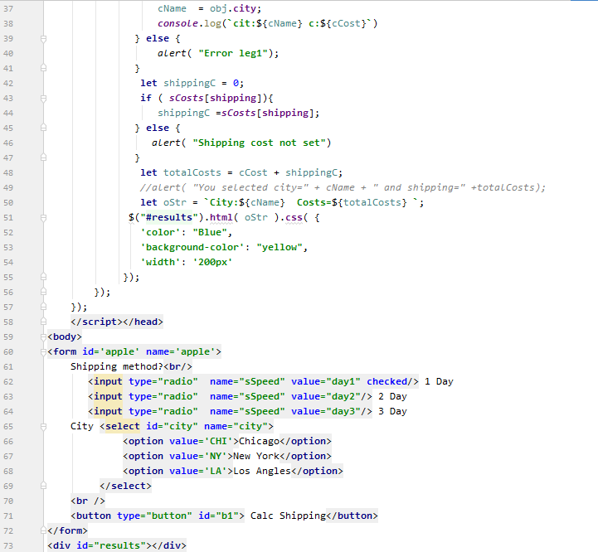

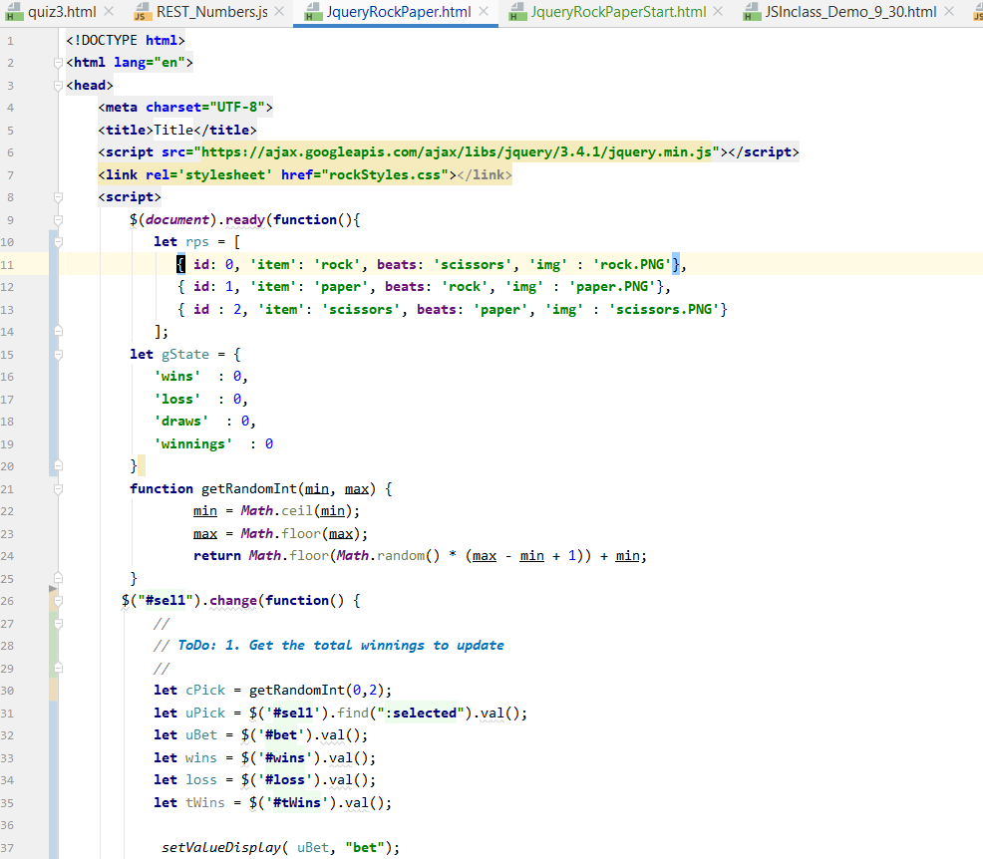

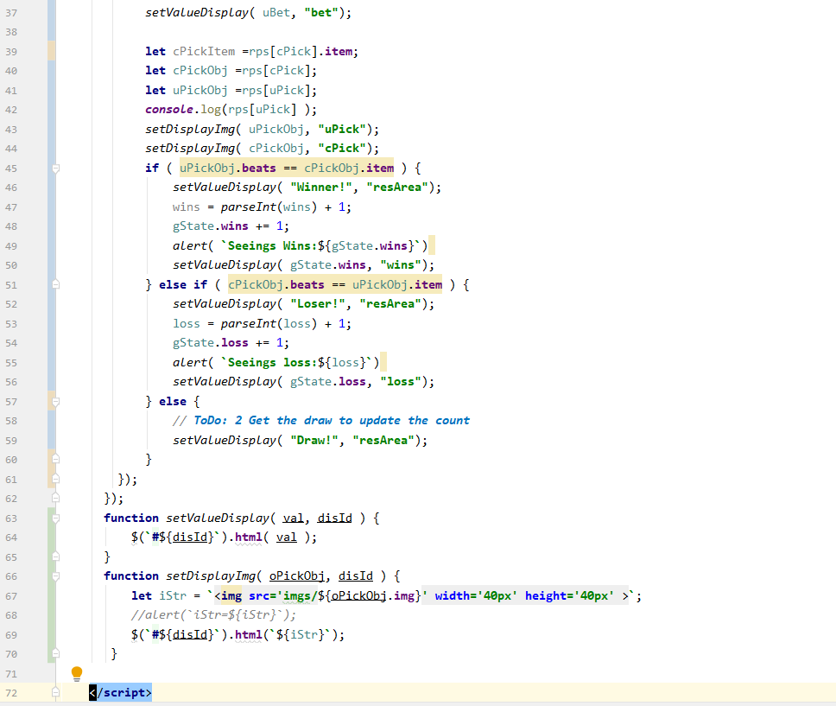

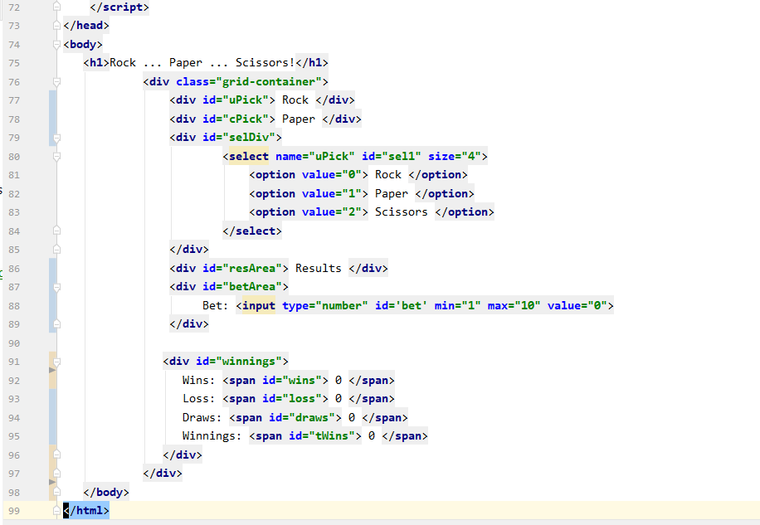

JS Tax 2
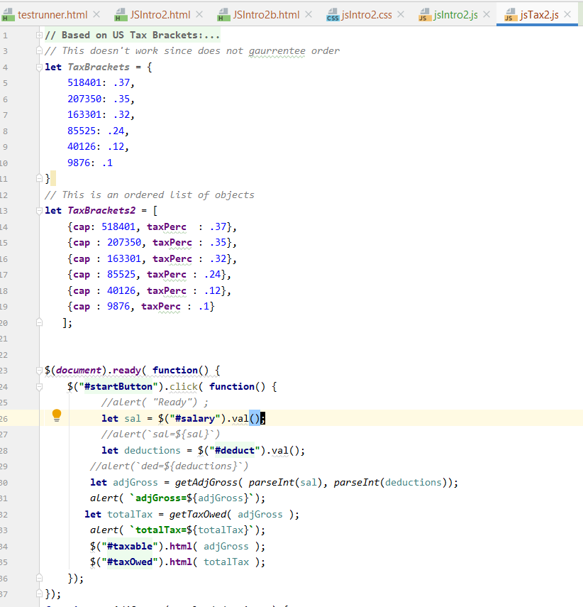
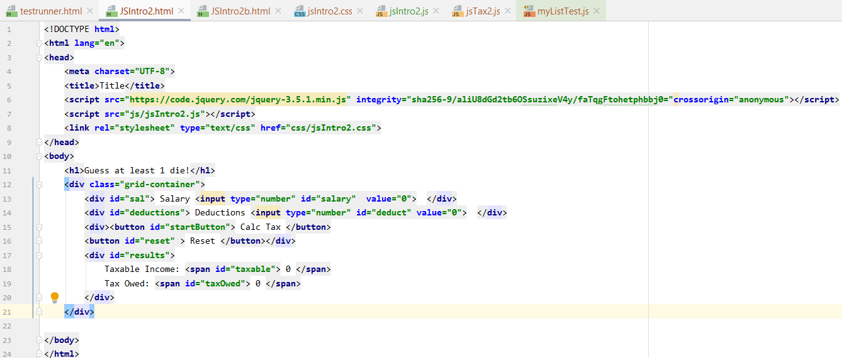

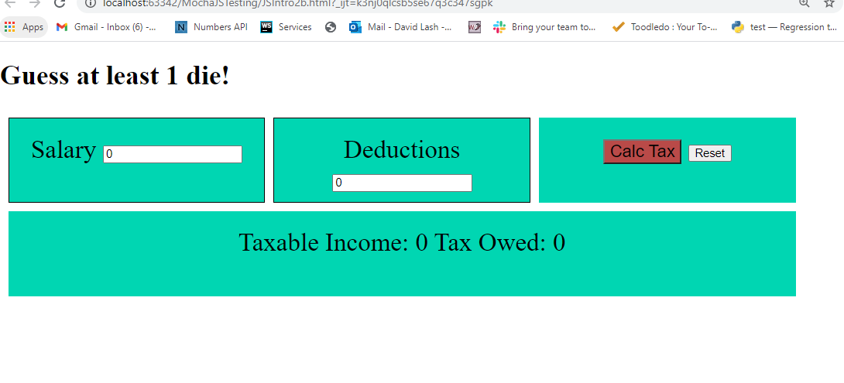

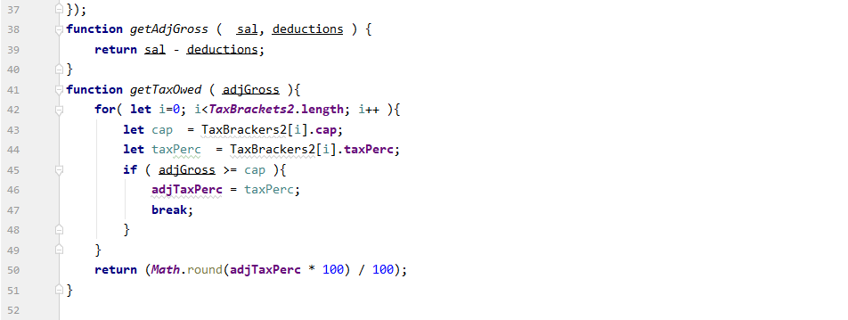

Testing functions alone
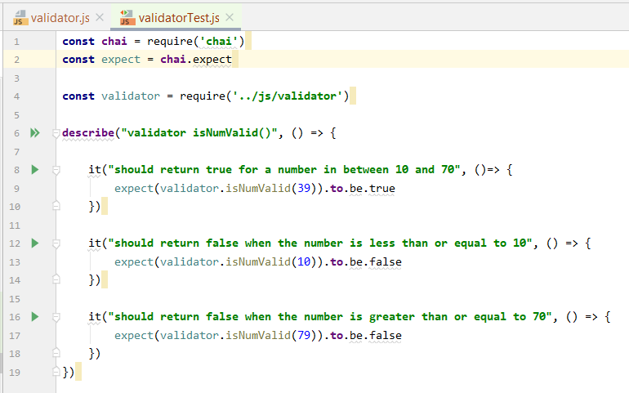
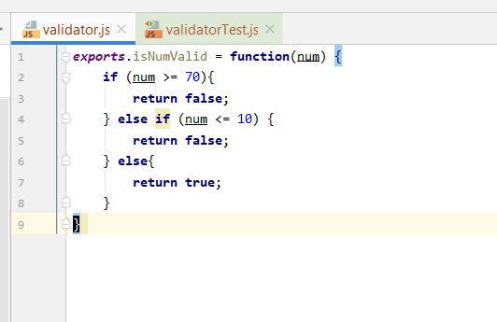
https://livecodestream.dev/post/testing-in-nodejs-using-mocha-and-chai-part-1/

Sheet2
